Instructions
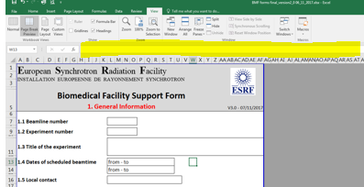
New BMF form Instructions

This is the unique form for requiring the use of the biomedical facility laboratories: L1 cell lab, L2 cell lab, Animal facility, histology, sample preparation laboratory. It replaces the former “BMF form”, the “Cell form” and the “Drug form”.
It is composed by 8 worksheets. Please fill in all concerned parts, and do not forget to sign it in the last page (scanned signature).
This form does not replace the “Risk analysis” (common to all beamlines and laboratories), which is managed directly by the Safety group.
Send the filled form to both bmf@esrf.fr and expsaf@esrf.fr
The deadline for submission is 5 weeks before the start of the experiment. The start of the experiment corresponds to the first of the applicable cases: arrival of the animals to the ESRF, the start of the culture of the cells, or the beamtime.
Notes:
Please fill in GENERAL INFORMATION first and select the laboratories to be used; the names of users will be automatically copied in the sheet of the correcponding lab. If you want to copy any text into the fields, you have to first click in the field and then paste the text in the formula bar (in yellow)

General information
European Synchrotron Radiation Facility
INSTALLATION EUROPEENNE DE RAYONNEMENT SYNCHROTRON

Biomedical Facility Support Form 1. General Information |  |  |  |  |  |  | V5.0 - 12/02/2018
This form must be submitted at least 5 weeks before the start of the experiment. The start of the experiment corresponds to the first of the applicable cases: arrival of the animals to the ESRF, the start of the culture of the cells, or the beamtime.

1.1 Beamline number

1.2 Experiment number |  |  |  |  |  | Is it an "In House Research" experiment

1.3 Title of the experiment

1.4 Dates of scheduled beamtime |  |  |  | from - to
 |  |  |  | from - to

1.5 Local contact

1.6 Participants:

 | Name |  | First Name |  | e-mail
1
2
3
4
5
6

1.7 Type of samples:

live animals |  | Ethical committee authorisation number (AP number) *

cells |  | Human samples authorisation number **

tissues

* | Use of animals at the ESRF requires an authorisation by the ESRF ethical committee validated by the
 | French Ministry of Higher Education and Research

** | Import of samples of human origin and/or derivates is subject to valid authorisation by the
 | French Research Ministry. If you do not hold this authorisation, please contact the safety group (expsaf@esrf.fr)

1.8 Laboratories to be used: |  |  | Please give a brief synopsis of the experimental procedures

L1 |  |  | Press Alt + Enter (WINDOWS) or Command + Control + Enter (MAC) to start a new line

L2

Animal Facility

Histology

Sample Lab

1.9 Annex: |  | Sanitary status of the origin of the animals
 |  | Authorisation to transport human samples to the ESRF
 |  | Agreement of animal transportation by an authorized transporter

